In Process Inspections
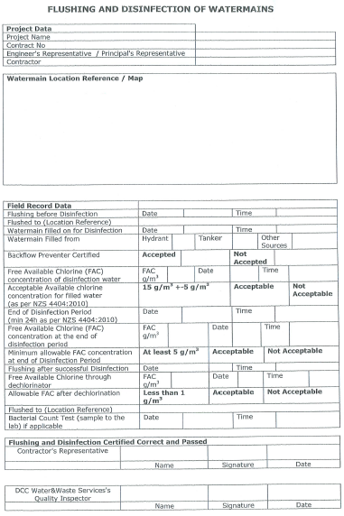
SECTION 4 – IN-PROCESS INSPECTIONS Insert additional or delete unused rows as required. Include reference to specification.
Item No. | Activity/ Task Description | Inspection Point: Quality Control Activity | Acceptance Criteria | Verifying Document | Frequency | Inspection Type (Visual, other) | Inspection
 |  |  |  |  |  |  | Key | By (Role Key)
4.1 | Ensure all pipe fittings, valves & other connections are tight and leak free (as per pressure test) | At completiion of installation and prior to pressure testing | Installation complete | Check list. Initial & Verification on the Schematic drawing | once | Visual - monitor any pressure drop/time | A | IP / SP
4.2 | Prepare to flush and disinfect new pipe, Fittings & pump | Post pressure testing | Pressure test - Pass | Pressure test - Pass Flushing & Disinfection of Water Mains Document | once | Closed loop circulation as installed by Bruce Allan | A | IP / SP
4.3 | Calculate system volume to determine required chemical quantity. | Pre-disinfect process | Watermeter or calculation | NZS4404:2010 | once | Visual - Document volumes on client provided tdocumentation | A | IP / SP
4.4 | Undertake disinfection process | Monitor circulation | Monitor values (this may need done more than once due to age) to achieve acceptable level | Client FLUSHING & DISINFECTION OF WATERMAIN DOCUMENT | once - or more as required | Visual, Document and photograph | A | IP / SP

